Data
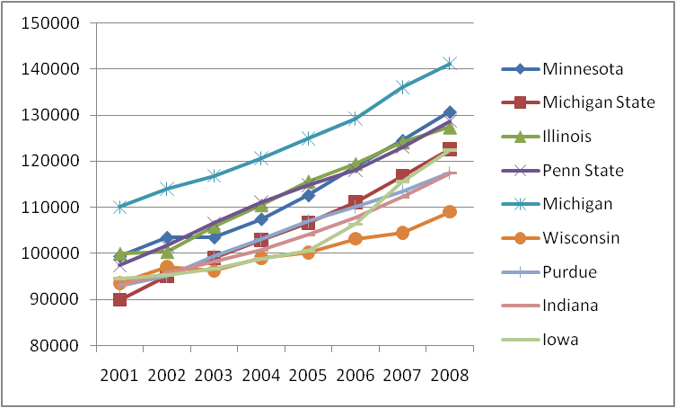
Year | 2008 | 2007 | 2006 | 2005 | 2004 | 2003 | 2002 | 2001
Professors Salary UNIVERSITY OF MINNESOTA-TWIN CITIES 9/10-month contract All Gender Count # | 568 | 659 | 642 | 641 | 669 | 667 | 630 | 617
Professors Salary UNIVERSITY OF MINNESOTA-TWIN CITIES 9/10-month contract All Gender Total Outlay $ | 74233180 | 82051520 | 76367465 | 72204051 | 71906526 | 69045035 | 65212054 | 61358134
Professors Salary MICHIGAN STATE UNIVERSITY 9/10-month contract All Gender Count # | 617 | 600 | 618 | 624 | 611 | 587 | 593 | 572
Professors Salary MICHIGAN STATE UNIVERSITY 9/10-month contract All Gender Total Outlay $ | 75666913 | 70100855 | 68676543 | 66530882 | 62848299 | 58144865 | 56423538 | 51451621
Professors Salary UNIVERSITY OF ILLINOIS AT URBANA-CHAMPAIGN 9/10-month contract All Gender Count # | 791 | 787 | 798 | 763 | 780 | 802 | 829 | 824
Professors Salary UNIVERSITY OF ILLINOIS AT URBANA-CHAMPAIGN 9/10-month contract All Gender Total Outlay $ | 100779243 | 97698486 | 95319244 | 88243355 | 86151479 | 84851598 | 83161591 | 82340565
Professors Salary PENNSYLVANIA STATE UNIVERSITY-MAIN CAMPUS 9/10-month contract All Gender Count # | 704 | 693 | 687 | 666 | 668 | 664 | 635 | 640
Professors Salary PENNSYLVANIA STATE UNIVERSITY-MAIN CAMPUS 9/10-month contract All Gender Total Outlay $ | 90624613 | 85275861 | 81146284 | 76473775 | 74193487 | 70746249 | 64563671 | 62321488
Professors Salary UNIVERSITY OF MICHIGAN-ANN ARBOR 9/10-month contract All Gender Count # | 860 | 842 | 848 | 823 | 816 | 794 | 779 | 776
Professors Salary UNIVERSITY OF MICHIGAN-ANN ARBOR 9/10-month contract All Gender Total Outlay $ | 121423205 | 114594955 | 109594491 | 102855322 | 98467215 | 92773309 | 88847929 | 85394460
Professors Salary UNIVERSITY OF WISCONSIN-MADISON 9/10-month contract All Gender Count # | 742 | 758 | 760 | 769 | 753 | 769 | 764 | 773
Professors Salary UNIVERSITY OF WISCONSIN-MADISON 9/10-month contract All Gender Total Outlay $ | 80902347 | 79212171 | 78423693 | 77080031 | 74559791 | 73977447 | 74175250 | 72316274
Professors Salary PURDUE UNIVERSITY- MAIN CAMPUS 9/10-month contract All Gender Count # | 527 | 521 | 501 | 495 | 470 | 454 | 420 | 401
Professors Salary PURDUE UNIVERSITY- MAIN CAMPUS 9/10-month contract All Gender Total Outlay $ | 61893535 | 59074939 | 55152129 | 52995620 | 48469982 | 45107335 | 39918660 | 37293310
Professors Salary INDIANA UNIVERSITY- BLOOMINGTON 9/10-month contract All Gender Count # | 545 | 538 | 547 | 549 | 548 | 536 | 536 | 519
Professors Salary INDIANA UNIVERSITY- BLOOMINGTON 9/10-month contract All Gender Total Outlay $ | 63998059 | 60428219 | 58959151 | 57141829 | 55244818 | 52702798 | 51291856 | 48376310
Professors Salary UNIVERSITY OF IOWA 9/10-month contract All Gender Count # | 371 | 371 | 379 | 315 | 377 | 386 | 381 | 435
Professors Salary UNIVERSITY OF IOWA 9/10-month contract All Gender Total Outlay $ | 45403457 | 42857830 | 40297615 | 31688724 | 37242942 | 37306599 | 36296722 | 41101882

